DashBoard
AIR-QUALITY INDEX DASHBOARD

Bottom 5 least polluted Geographic Locations
 | Total
Bronx | 1249.5
Brooklyn | 700.9
Manhattan | 805.8
Queens | 481.1
Staten Island | 441.4
Top 5 Most Polluted Geographic Locations
 | Total
Bronx | 1249.50
Brooklyn | 700.90
Manhattan | 805.80
Queens | 481.10
Staten Island | 441.40

Count of AQI Records Over the Seasons
 | Total
Winter | 10

Yearly Distribution of AQI Records
 | Total
Good | 38.00%
Moderate | 38.01%
Unhealthy | 2.00%
Unhealthy for Sensitive Groups | 19.99%
Very Unhealthy | 2.00%
Yearly Trend of Average Pollutant Concentration
 | Total
2005 | 68.39
2009 | 77.73
2012 | 85.47
2015 | 74.28
2017 | 62.00

main page
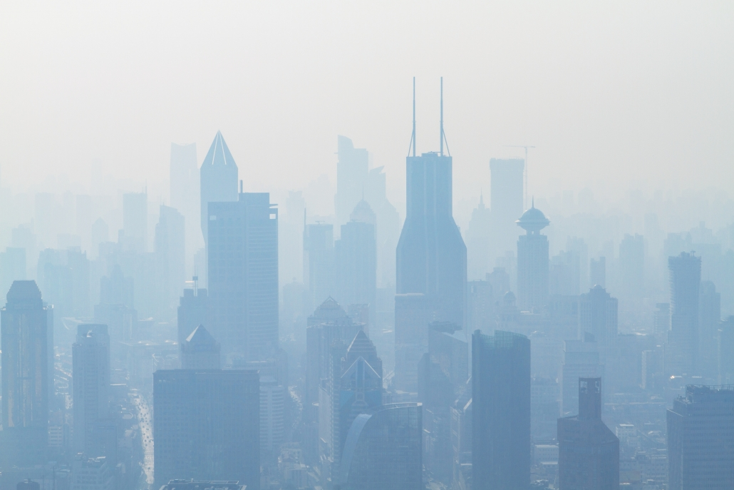
AIR QUALITY INDEX ANALYSIS

DASHBOARD
DATA SET LINK

PIVOT TABLES
IMPORTANT TERMS

NAME: SHRUTI SOMVANSHI
SECTION: K23EH
REGISTRATION NUMBER: 12310394
SUBMITTED TO : VIKAS KUMAR

